Table MET2
INDEX
 | Table MET2 Logic Device Structure Requirements

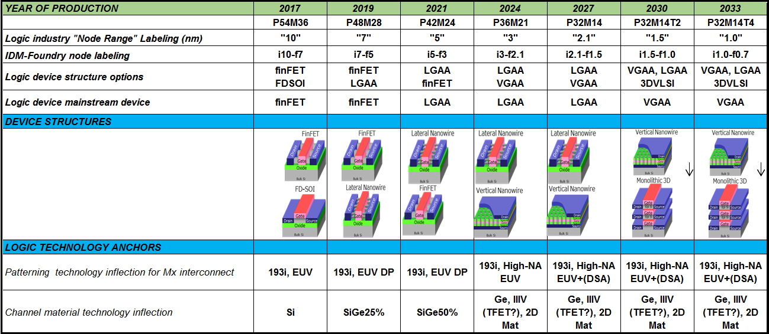

 | Note: from the 2017 IRDS More Moore IFT Roadmap Chapter

