Table LITH-2
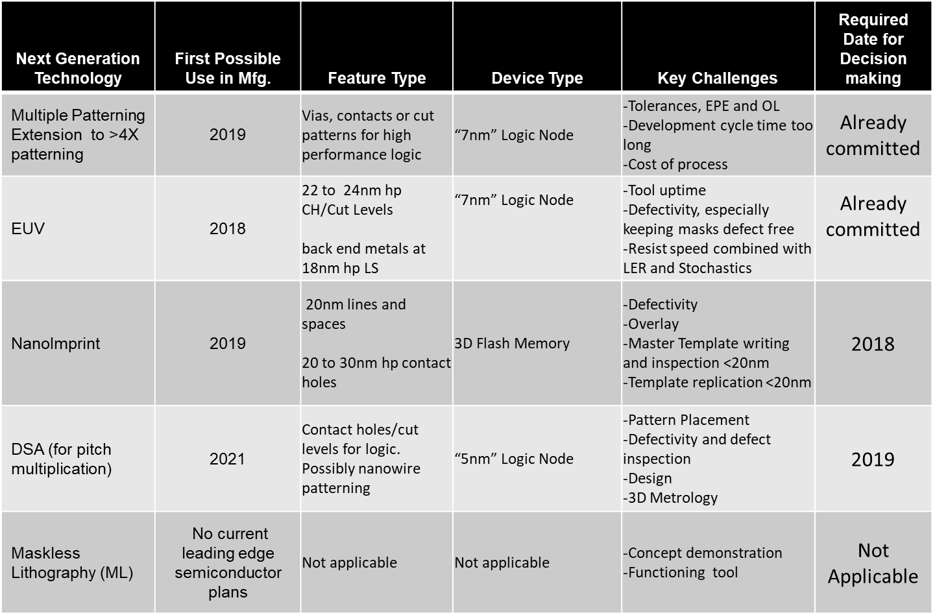
INDEX | Table LITH-2 Near-term Challenges (2017 to 2024)

Figure LITH-1
INDEX
 | Figure LITH-1 Line and Space Potential Solutions

 | Semiconductor Product node | Minimum half pitch (nm) | Production Year | 2017 | 2019 | 2021 | 2024 |  | 2027 | 2030 | 2033
 |  |  | Minimum lithographically defined half pitch for MPU and DRAM | 18 | 14 | 12 | 11 |  | 7 | 7 | 7
 |  |  | Possible Option

 |  |  |  | ArF QP Possible

 |  |  |  | EUV SP Possible

{
 |  |  |  |  |  | EUV DP Possible

 | "10nm" Logic Node | 18 | 193nm QP
 | 18nm DRAM |  | 193nm QP
{

 |  |  | 193nm QP
 | "7nm" Logic Node | 14 | EUV SP
 |  |  | NIL

{
 |  |  | 193nm QP | Narrow Options
 | "5nm" logic Node | 12 | EUV DP
 | "3nm" Logic Node | 10.5 | NIL
 | 14nm DRAM | 14 | DSA
{

 |  |  | EUV DP |  |  |  |  | Narrow Options
 | "2.1nm" Logic Node and below | 7 | High NA EUV
 | < 10nm DRAM | 9.2, 7.7 | DSA plus EUV

 | The colors indicates the time frame in which research, development, and qualification/pre-production should be taking place to provide a solution for a given half pitch range.
 | Research Required
 | Development Underway
 | Qualification / Pre-Production
 | Continuous Improvement

Figure LITH-2
INDEX
 | Figure LITH-2 Contact Hole, Via and Cut Type Pattern Potential Solutions

 | Semiconductor Product Node | Minimum Pitch (nm) | Production Year | 2017 | 2019 |  | 2021 |  | 2024 | 2027 | 2030 | 2033
 |  |  | Estimated Cut pitch | 51 | 40 |  | 34 |  | 30 | 20 | 20 | 20
 |  |  | Minimum hole pitch (DRAM, MPU, VGAA) | 51 | 40 |  | 34 |  | 30 | 20 | 14 | 14
 |  |  | Minimum VGAA, contact and cut type pitch | 51 | 40 |  | 34 |  | 30 | 20 | 14 | 14
 |  |  | Possible Option

 |  |  |  |  | ArF triple or Quadruple patterning possible
 |  |  |  |  | (depends on pattern density at given minimum CD)

 |  |  |  |  | More than 4 ArF exposure

 |  |  |  | EUV SP Possible

 |  |  |  |  |  |  | EUV DP Possible

 | "10nm" Logic Node | 51
 | 18nm DRAM | 66,54 | 193nm Triple or Quadruple Patterning*
{

 |  |  | EUV SP
 | "7nm" Logic Node | 40 | 193nm >4 exposures
 | 18nm to 14nm DRAM | 53, 51,42 | NIL

{
 |  |  | EUV DP | Narrow Options
 | "5nm" logic Node | 34 | High NA EUV
 | "3nm" Logic -- Contacts and cuts | 30 | NIL
 | 11nm DRAM | 33 | EUV plus DSA

{
 |  |  | High NA EUV DP |  |  | Narrow Options
 | "2.1nm" Logic and below -- Contacts and cuts | 20 | NIL
 | Below 9nm DRAM | 25, 23 | EUV plus DSA
 |  |  | EUV triple or quadruple patterning

 |  |  |  |  |  |  |  | Narrow Options

 | "2.1nm" and below Logic VGAA Levels | 14 | Research Needed

 | The colors indicates the time frame in which research, development, and qualification/pre-production should be taking place to provide a solution for a given half pitch range.
 | Research Required
 | Development Underway
 | Qualification / Pre-Production
 | Continuous Improvement

 | *Note that the practical limit for printing dense contact holes with 4X patterning is probably larger than 51nm pitch.
 | But logic contact and cut levels will not be totally dense, so triple or quadruple patterning is expected to work even if the minimum pitch is 51nm

